Sheet2
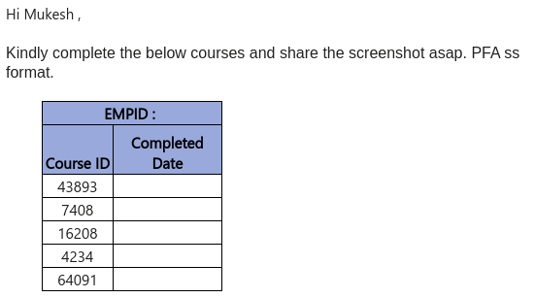
TCS Metting For New Hire Team |  | Status
2/27/2025 1st Call Thursday | Session/Topic 3: Time: 02:00PM - 04:00PM Eastern Time (ET) 2024 TCS Benefits Enrollment Overview, Q&A | done
2nd Call Friday 02/28/2025 | Session/Topic 1: Time: 02:00PM - 04:00PM Eastern Time (ET) Ultimatix & New Hire Profile Setup Overview, Q&A | done
3rd Call Next Wednesday 03/05/2025 | Session/Topic 2: Time: 02:00PM - 04:00PM Eastern Time (ET) 1st Presentation: TCS HR Structure & People Practices, Q&A 2nd Presentation: TCS Information Security Overview, Q&A 3rd Presentation: TCS US Data Privacy Overview, Q&A | done

Setup Ultimatix Account
User Name | NOAM\2889138 (Employee ID)
Password | Mukesh@1977
TCS Email: | Mukeshchandra.p@tcs.com

Your Business Unit Contact(s)
New Hire Buddy | Sandipan Mandal (201762) | sandipan.mandal@tcs.com | 704.606.8229
Hiring Manager | Raghavendra | raghavendran.b@tcs.com | 302.897.1776

TCS Mendatery Traning |  | Status
Need to complite in 3 weeks : General Traning |  | 11 traning complit
3/13/25 : 2 – 3:30pm | Topic 1:TCS Corporate Social Responsibility & DEI Overview
3/11/25 : 2 – 3:30pm | Topic 2:TCS Talent Management & Development Overview | done, but Development is pending

Sheet4
